Instructions
This button sorts the list of functions into alphabetical order.
This describes the category the function is a member of.
Click this button to sort alphabetically.
This shows where the function is stored in Excel.
Built-in indicates that the function
is part of Excel itself.
Analysis ToolPak indicates the
function is stored in the Analysis ToolPak add-in.
Click this button to sort alphabetically.
This button will display the worksheet containing the function example.
1. Click on the function name, then
2. Click on the View button.
What Do The Buttons Do ?

Time Calculation
Time Calculation

 | Excel can work with time very easily.
 | Time can be entered in various different formats and calculations performed.
 | There are one or two oddities, but nothing which should put you off working with it.
 | See the TimeSheet example for an example.

 | Typing time
 | When time is entered into worksheet it should be entered with a colon between
 | the hour and the minutes, such as 12:30, rather than 12.30

 |  | 1:30:00 | 12:30:00 | 20:15:00 | 22:45:00

 | Excel can cope with either the 24hour system or the am/pm system.
 | To use the am/pm system you must enter the am or pm after the time.
 | You must leave a space between the number and the text.

 |  | 1:30:00 | 13:30:00 | 10:15:00 | 22:15:00

 | Finding the difference between two times
 | You can subtract two time values to find the length of time between.

 |  | Start | End | Duration
 |  | 1:30:00 | 2:30:00 | 1:00:00 | =D24-C24
 |  | 8:00:00 | 17:00:00 | 9:00:00 | =D25-C25
 |  | 8:00:00 | 17:00:00 | 9:00:00 | If the result is not shown correctly,
 |  |  |  |  | You may need to reformat the answer.
 |  |  |  |  | Look at the section about formatting
 |  |  |  |  | further in this worksheet.

 | Adding time
 | You can add time to find a total time.
 | This works well until the total time goes above 24 hours.
 | For totals greater than 24 hours you may need to apply some special formatting.

 |  | Start | End | Duration
 |  | 1:30:00 | 2:30:00 | 1:00:00
 |  | 8:00:00 | 17:00:00 | 9:00:00
 |  | 7:30:00 | 17:45:00 | 10:15:00
 |  |  |  | 20:15:00

 | Formatting time
 | When time is added together the result may go beyond 24 hours.
 | Usually this gives an incorrect result, as in the example below.
 | To correct this error, the result needs to be formatted with a Custom format.

 | Example 1 : Incorrect formatting
 |  | Start | End | Duration
 |  | 7:00:00 | 18:30:00 | 11:30:00
 |  | 8:00:00 | 17:00:00 | 9:00:00
 |  | 7:30:00 | 17:45:00 | 10:15:00
 |  |  | Total | 1900-01-01 06:45:00 | =SUM(E49:E51) | 30:45:00

 | Example 2 : Correct formatting
 |  | Start | End | Duration
 |  | 7:00:00 | 18:30:00 | 11:30:00
 |  | 8:00:00 | 17:00:00 | 9:00:00
 |  | 7:30:00 | 17:45:00 | 10:15:00
 |  |  | Total | 30:45:00 | =SUM(E56:E58)

 | How To Apply Custom Formatting
 | The custom format for time use a pair of square brackets [hh] on either side
 | of the hours indicators.

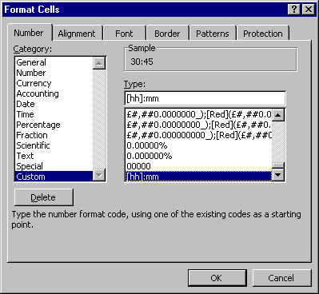
 | 1. Click on the cell which needs the format.
 | 2. Choose the Format menu.
 | 3. Choose Cells.
 | 4. Click the Number tag at the top right.
 | 5. Choose Custom.
 | 6. Click inside the Type: box.
 | 7. Type [hh]:mm as the format.
 | 8. Click OK to confirm.

CODE
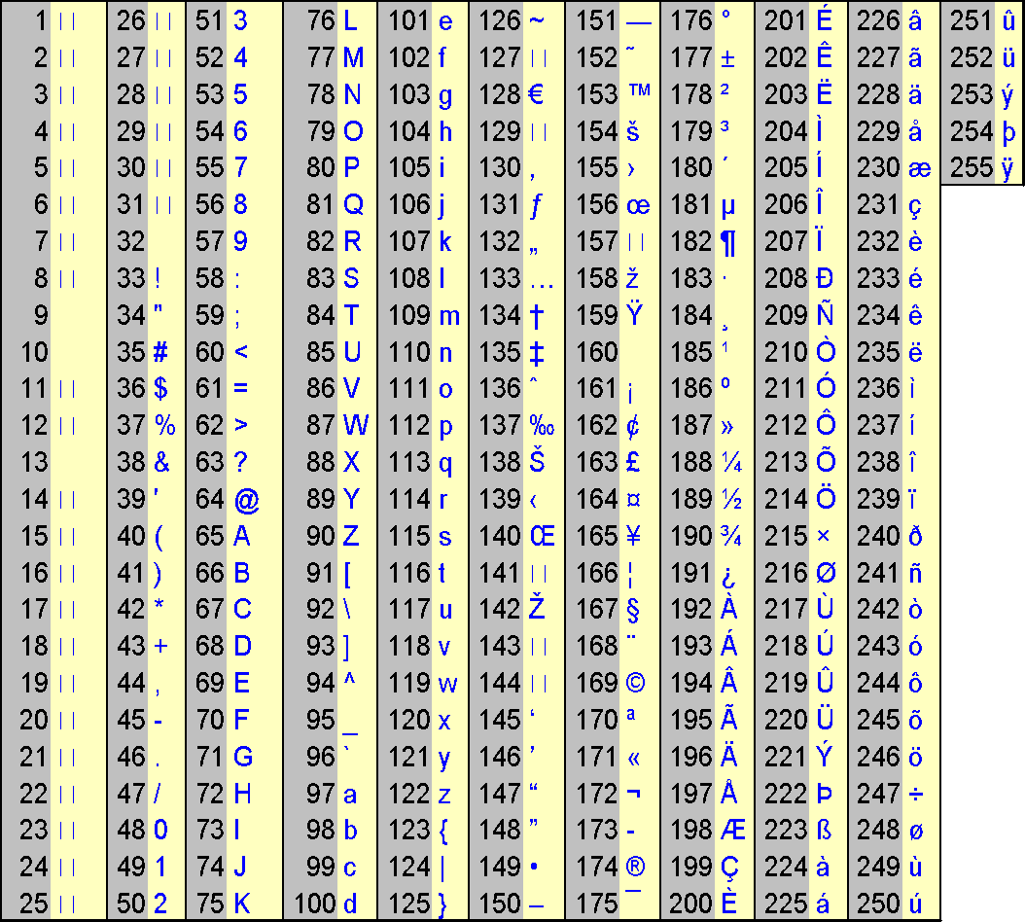
CODE

 |  | Letter | ANSI Code
 |  | A | 65 | =CODE(C4)
 |  | B | 66 | =CODE(C5)
 |  | C | 67 | =CODE(C6)
 |  | a | 97 | =CODE(C7)
 |  | b | 98 | =CODE(C8)
 |  | c | 99 | =CODE(C9)
 |  | Alan | 65 | =CODE(C10)
 |  | Bob | 66 | =CODE(C11)
 |  | Carol | 67 | =CODE(C12)

 | What Does It Do?
 | This function shows the ANSI value of a single character, or the first character in a piece
 | of text.
 | The ANSI character set is used by Windows to identify each keyboard character by using
 | a unique number.
 | There are 255 characters in the ANSI set.

 | Syntax
 | =CODE(Text)

 | Formatting
 | No special formatting is needed, the result will be shown as a number between 1 and 255.

 | Example
 | See the example for FREQUENCY.

